Ex 6.6


 | X1 | X2
 | 5 | 0
Max Z | 8 | 5 | 40

C1 | 1 | 1 | 5 | <= | 6
C2 | 9 | 5 | 45 | <= | 45

Ex 6.7
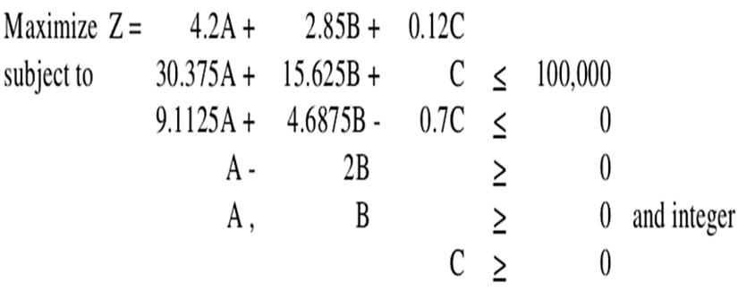

 | A | B | C
 | 1833 | 916 | 30010.125
Max Z | 4.2 | 2.85 | 0.12 | 13910.415

C1 | 30.375 | 15.625 | 1 | 100000 | <= | 100000
C2 | 9.1125 | 4.6875 | -0.7 | -10.125 | <= | 0
C3 | 1 | -2 |  | 1 | >= | 0

Ex 6.8
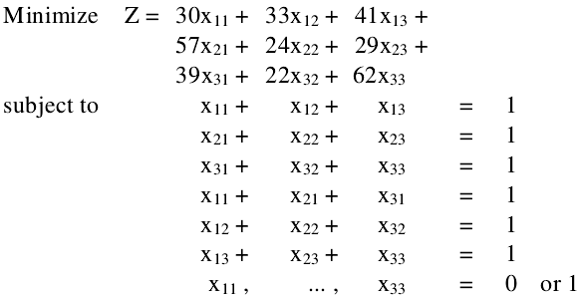

 | x11 | x12 | x13 | x21 | x22 | x23 | x31 | x32 | x33
 | 1 | 0 | 0 | 0 | 0 | 1 | 0 | 1 | 0
 | 30 | 33 | 41 | 57 | 24 | 29 | 39 | 22 | 62 | 81
C1 | 1 | 1 | 1 |  |  |  |  |  |  | 1 | = | 1
C2 |  |  |  | 1 | 1 | 1 |  |  |  | 1 | = | 1
C3 |  |  |  |  |  |  | 1 | 1 | 1 | 1 | = | 1
C4 | 1 |  |  | 1 |  |  | 1 |  |  | 1 | = | 1
C5 |  | 1 |  |  | 1 |  |  | 1 |  | 1 | = | 1
C6 |  |  | 1 |  |  | 1 |  |  | 1 | 1 | = | 1

